Data diary
Eliminated blank rows first using this process:
 | https://www.businessinsider.com/how-to-remove-blank-rows-in-excel
 | Make sure to eliminate blanks in rows first to see what happened.

Did text to columns to break out of formatting.

How to make heat map: https://www.youtube.com/watch?v=pOh4p7DpArQ
 | Download: https://drive.google.com/file/d/1r1wZqGrIebc7ySURThBMlOIKfdR94ccr/view

Aurora holidays:
 | https://www.auroragov.org/things_to_do/aurora_public_library/locations___hours/2021_library_holiday_and_closure_calendar

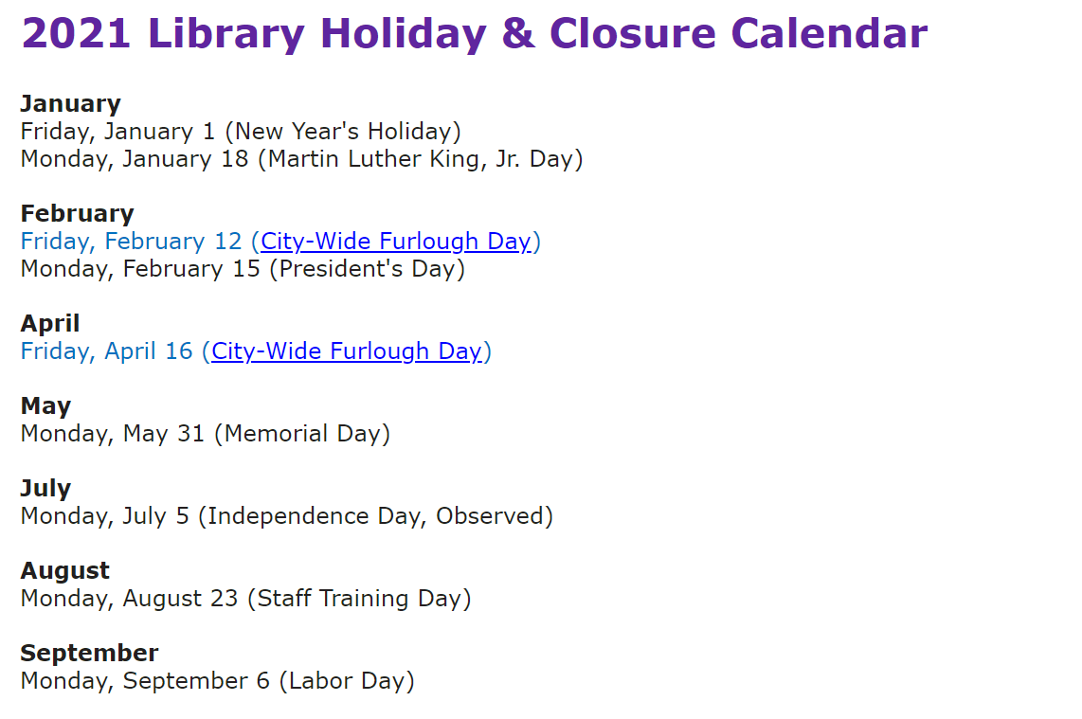

In the PaperSwipes data, there was earlier swipes not included in the spreadsheet because of an internal Aurora records processing error. Swipe data is automatically deleted after 180 days. So even if you set the system to look for swipes before that, it won't find any because the system automatically deletes them.
 | That is why the start date in the SwipeCount Reformat_2 data begins on 01/23/21, not 01/01/21.

